Survey Data
How would you describe your profession? | Percentage | Number
Student | 51.1% | 68
Postdoc | 24.1% | 32
Academic (faculty member) | 11.3% | 15
Staff researcher | 3.0% | 4
Industry member | 2.3% | 3
Non-profit employee | 2.3% | 3
Private citizen | 0.0% | 0
Other, please describe | 6.0% | 8
POM 1 Attendance by Job Type
*per-meetup survey

Howdidyouhear | Percentage | Number
Email | 0.18796992481 | 25
Social Media | 0.33082706767 | 44
Colleague | 0.45864661654 | 61
Other, please describe | 0.022556390977 | 3

Q7 - Are you a: (optional) | POM 1 Attendees | Percent | Number
1 | student (undergraduate, graduate) | 49.00% | 541
2 | post-doctoral scholar | 18.12% | 200
3 | academic | 17.57% | 194
4 | member of industry | 6.70% | 74
5 | national lab researcher | 2.45% | 27
6 | other | 6.16% | 68
 | Total | 100.00% | 1104
*From registration data
 | Figure
 | POM 1 Attendees | Percent | Number
 | Academic Scientist | 17.57% | 194
 | Student | 49.00% | 541
 | Industry Personnel | 9.15% | 101
 | Postdoc | 18.12% | 200
 | Unknown | 6.16% | 68
 |  | 100.00% | 1104

Survey
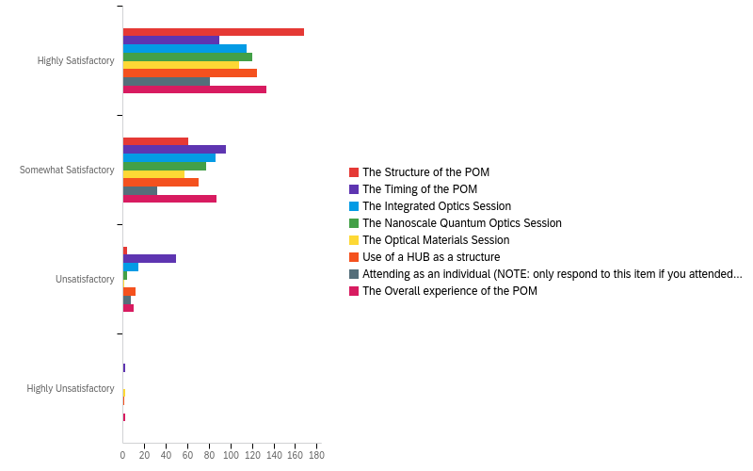
Q2 - Where are you located?
# | Answer | % | Count
1 | Africa | 0.00% | 0
2 | Asia | 2.27% | 1
3 | Australia and Oceania | 4.55% | 2
4 | Europe | 70.45% | 31
5 | North America | 22.73% | 10
6 | South America | 0.00% | 0
 | Total | 100.00% | 44

Q3 - Did you find this experience worthwhile?
# | Answer | % | Count
1 | Definitely yes | 54.55% | 24
2 | Probably yes | 38.64% | 17
3 | Might or might not | 2.27% | 1
4 | Probably not | 4.55% | 2
5 | Definitely not | 0.00% | 0
 | Total | 100.00% | 44

Q4 - Did you view posters from other researchers?
# | Answer | % | Count
1 | Yes | 95.24% | 40
2 | No | 4.76% | 2
 | Total | 100.00% | 42

Q6 - Was your primary goal for attending the POM met?
# | Answer | % | Count
1 | Yes, please describe briefly | 91.40% | 202
2 | No, please describe briefly | 8.60% | 19
 | Total | 100.00% | 221

Q7 - If you can find out, how many impressions has your initial poster tweet received (according to twitter tracking)? (Information on impressions)
# | Answer | % | Count
1 | <1000 | 12.82% | 5
2 | 1001-2000 | 17.95% | 7
3 | 2001-3000 | 23.08% | 9
4 | 3001-4000 | 20.51% | 8
5 | 4001-5000 | 15.38% | 6
6 | 5000+ | 10.26% | 4
 | Total | 100.00% | 39

Q8 - Who tweeted your poster?
# | Answer | % | Count
1 | My personal account | 72.09% | 31
2 | Research group account | 20.93% | 9
3 | POM account | 6.98% | 3
4 | Other account (please enter) | 0.00% | 0
 | Total | 100.00% | 43

Q14 - Given the unique nature of the POM delivery, please rate/evaluate the POM related statements below using the scale provided.
# | Question | Highly Satisfactory |  | Somewhat Satisfactory |  | Unsatisfactory |  | Highly Unsatisfactory |  | Total
1 | The Structure of the POM | 72.10% | 168 | 26.18% | 61 | 1.72% | 4 | 0.00% | 0 | 233 | 100.00%
2 | The Timing of the POM | 37.97% | 90 | 40.51% | 96 | 20.68% | 49 | 0.84% | 2 | 237 | 100.00%
3 | The Integrated Optics Session | 53.49% | 115 | 40.00% | 86 | 6.51% | 14 | 0.00% | 0 | 215 | 100.00%
4 | The Nanoscale Quantum Optics Session | 59.70% | 120 | 38.31% | 77 | 1.99% | 4 | 0.00% | 0 | 201 | 100.00%
 | The Optical Materials Session | 64.29% | 108 | 33.93% | 57 | 0.60% | 1 | 1.19% | 2 | 168 | 100.00%
 | Use of a HUB as a structure | 60.10% | 125 | 33.65% | 70 | 5.77% | 12 | 0.48% | 1 | 208 | 100.00%
 | Attending as an individual (NOTE: only respond to this item if you attended the POM as an individual) | 67.50% | 81 | 26.67% | 32 | 5.83% | 7 | 0.00% | 0 | 120 | 100.00%
 | The Overall experience of the POM | 57.33% | 133 | 37.50% | 87 | 4.31% | 10 | 0.86% | 2 | 232 | 100.00%

